Sheet1
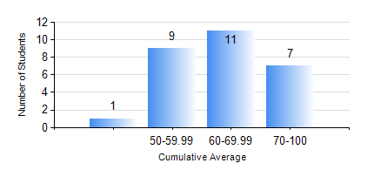
 |  |  | KWAME NKRUMAH UNIVERSITY OF SCIENCE AND TECHNOLOGY, KUMASI Department of Mechanical Engineering

 |  |  | BSC. AEROSPACE ENG., General Option

 |  |  | COMPREHENSIVE RECORD OF EXAMINATION RESULTS

 |  |  | RESULTS OF YEAR 4 SECOND SEMESTER, 2019/2020 ACADEMIC YEAR

 | Sn | Course Code |  | Course Name | Credit Hours | Min. Mark | Max. Mark | Avg. Mark | Std. Dev. | No. Passed | No. Trailed | No. (Df) | No. (I) | No. (I*) | No. Tagged(I,I*,Df) | Total
 | 1. | AERO 452 |  | AERODYNAMICS II | 2 | 40 | 80 | 61 | 11.83 | 28 | 0 | 0 | 0 | 0 | 0 | 28
 | 2. | AERO 456 |  | APPLIED METEOROLOGY | 2 | 54 | 90 | 77 | 9.34 | 28 | 0 | 0 | 0 | 0 | 0 | 28
 | 3. | AERO 492 |  | AEROSPACE SAFETY AND AIR SECURITY | 2 | 56 | 70 | 61 | 3.65 | 28 | 0 | 0 | 0 | 0 | 0 | 28
 | 4. | AERO 498 |  | PROJECT II | 5 | 70 | 77 | 74 | 2.6 | 28 | 0 | 0 | 0 | 0 | 0 | 28
 | 5. | ME 462 |  | MECHANISM SYNTHESIS AND ANALYSIS | 3 | 77 | 83 | 80 | 3.06 | 3 | 0 | 0 | 0 | 0 | 0 | 3
 | 6. | ME 474 |  | PRODUCTION PLANNING AND CONTROL | 3 | 61 | 73 | 65 | 3.78 | 25 | 0 | 0 | 0 | 0 | 0 | 25
 | 7. | ME 492 |  | MANAGEMENT AND ENTREPRENEURSHIP DEVELOPM | 2 | 53 | 77 | 66 | 7.14 | 28 | 0 | 0 | 0 | 0 | 0 | 28

